Table 1
SKU | Barcode | Description | Country / Program | Size | Stock | Program | Product Group | Retail Price € | Line RRP | Photo
FIFABG000300 | 4262354253013 | FWC2022 ENGLAND GYMSACK | ENGLAND | NO SIZE | 288 | FWC 2022 | BAGS | 2.40 € | 691.20 €
FIFABG001300 | 4262354251521 | FWC2022 ENGLAND BOOTBAG | ENGLAND | NO SIZE | 508 | FWC 2022 | BAGS | 8.00 € | 4064.00 €
FIFABG002300 | 4262354251170 | FWC2022 ENGLAND BACKPACK | ENGLAND | NO SIZE | 484 | FWC 2022 | BAGS | 12.00 € | 5808.00 €
FIFAEQ000905 | 5292982029659 | FWC0 ENGLAND FOOTBAL | ENGLAND | 5 | 490 | FWC 2022 | EQUIPMEN T | 13.00 € | 6370.00 € | 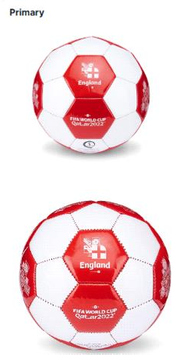
FIFAEQ001702 | 5292982029666 | FWC0 ENGLAND FOOTBAL | ENGLAND | 2 | 684 | FWC 2022 | EQUIPMEN T | 9 | 6156.00 €
FIFALT000501 | 196760684205 | FWC2022 ENGLAND CORE | ENGLAND | XS | 51 | FWC 2022 | LADIES T- SHIRTS | 12.00 € | 612.00 €
FIFALT000502 | 196760684199 | FWC2022 ENGLAND CORE | ENGLAND | S | 29 | FWC 2022 | LADIES T- SHIRTS | 12.00 € | 348.00 €
FIFALT000503 | 196760684182 | FWC2022 ENGLAND CORE | ENGLAND | M | 46 | FWC 2022 | LADIES T- SHIRTS | 12.00 € | 552.00 €
FIFALT000504 | 196760684175 | FWC2022 ENGLAND CORE | ENGLAND | L | 48 | FWC 2022 | LADIES T- SHIRTS | 12.00 € | 576.00 €
FIFALT000505 | 196760684168 | FWC2022 ENGLAND CORE | ENGLAND | XL | 25 | FWC 2022 | LADIES T- SHIRTS | 12.00 € | 300.00 €
FIFALT000506 | 196760684151 | FWC2022 ENGLAND CORE | ENGLAND | 2XL | 12 | FWC 2022 | LADIES T- SHIRTS | 12.00 € | 144.00 €
FIFALT000601 | 196760687756 | FWC2022 ENGLAND CORE | ENGLAND | XS | 33 | FWC 2022 | LADIES T- SHIRTS | 12.00 € | 396.00 €
FIFALT000602 | 196760687749 | FWC2022 ENGLAND CORE | ENGLAND | S | 34 | FWC 2022 | LADIES T- SHIRTS | 12.00 € | 408.00 € | 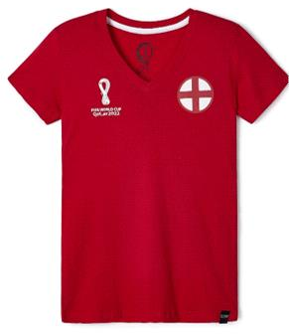
FIFALT000604 | 196760687725 | FWC2022 ENGLAND CORE | ENGLAND | L | 27 | FWC 2022 | LADIES T- SHIRTS | 12.00 € | 324.00 €
FIFALT000605 | 196760687718 | FWC2022 ENGLAND CORE | ENGLAND | XL | 13 | FWC 2022 | LADIES T- SHIRTS | 12.00 € | 156.00 €
FIFAMH003200 | 196760692323 | FWC2022 ENGLAND BEANIE | ENGLAND | NO SIZE | 617 | FWC 2022 | MENS HEADWEAR | 12.00 € | 7404.00 €
FIFAMK001500 | 505158620597 | FWC2022 ENGLAND SCARF | ENGLAND | NO SIZE | 696 | FWC 2022 | MENS KNIT | 10.00 € | 6960.00 €
FIFAMS001702 | 196345730136 | FWC2022 ENGLAND CORE | ENGLAND | S | 18 | FWC 2022 | MENS SWEATSHIR T | 29,00 € | 522.00 €
FIFAMS001703 | 196345730143 | FWC2022 ENGLAND CORE | ENGLAND | M | 81 | FWC 2022 | MENS SWEATSHIR T | 29,00 € | 2349.00 € | 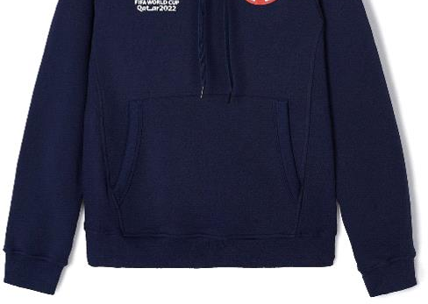
FIFAMS001704 | 196345730150 | FWC2022 ENGLAND CORE | ENGLAND | L | 54 | FWC 2022 | MENS SWEATSHIR T | 29,00 € | 1566.00 €
FIFAMS001802 | 196760227815 | FWC2022 ENGLAND CONT | ENGLAND | S | 35 | FWC 2022 | MENS SWEATSHIR T | 33.00 € | 1155.00 € | 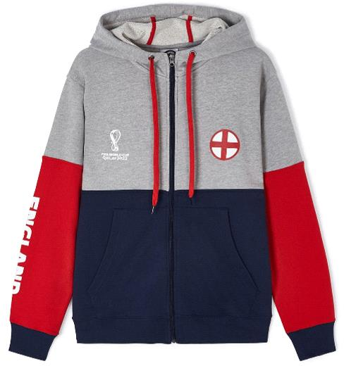
FIFAMS001803 | 196760227808 | FWC2022 ENGLAND CONT | ENGLAND | M | 47 | FWC 2022 | MENS SWEATSHIR T | 33.00 € | 1551.00 €
FIFAMS001804 | 196760227792 | FWC2022 ENGLAND CONT | ENGLAND | L | 59 | FWC 2022 | MENS SWEATSHIR T | 33.00 € | 1947.00 €
FIFAMS008902 | 197030638928 | FIFA Qatar World Cup | ENGLAND | S | 7 | FWC 2022 | MENS SWEATSHIR T | 42.00 € | 294.00 €
FIFAMS008903 | 197030638911 | FIFA Qatar World Cup | ENGLAND | M | 22 | FWC 2022 | MENS SWEATSHIR T | 42.00 € | 924.00 € | 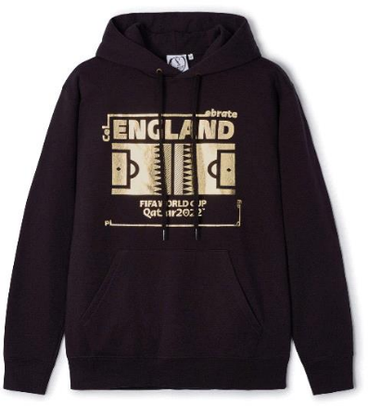
FIFAMS008904 | 197030638904 | FIFA Qatar World Cup | ENGLAND | L | 19 | FWC 2022 | MENS SWEATSHIR T | 42.00 € | 798.00 €
FIFAMS008905 | 197030638898 | FIFA Qatar World Cup | ENGLAND | XL | 12 | FWC 2022 | MENS SWEATSHIR T | 42.00 € | 504.00 €
FIFAMS008906 | 197030638881 | FIFA Qatar World Cup | ENGLAND | 2X | 8 | FWC 2022 | MENS SWEATSHIR T | 42.00 € | 336.00 €
FIFAMT007002 | 196760685325 | FWC2022 ENGLAND CREW | ENGLAND | S | 72 | FWC 2022 | MENS T- SHIRTS | 13.00 € | 936.00 €
FIFAMT007003 | 196760685318 | FWC2022 ENGLAND CREW | ENGLAND | M | 151 | FWC 2022 | MENS T- SHIRTS | 13.00 € | 1963.00 €
FIFAMT007004 | 196760685301 | FWC2022 ENGLAND CREW | ENGLAND | L | 159 | FWC 2022 | MENS T- SHIRTS | 13.00 € | 2067.00 €
FIFAMT007005 | 196760685295 | FWC2022 ENGLAND CREW | ENGLAND | XL | 104 | FWC 2022 | MENS T- SHIRTS | 13.00 € | 1352.00 €
FIFAMT007006 | 196760685288 | FWC2022 ENGLAND CREW | ENGLAND | 2X | 40 | FWC 2022 | MENS T- SHIRTS | 13.00 € | 520.00 €
FIFAMT007007 | 196760724260 | FWC2022 ENGLAND CREW | ENGLAND | 3X | 25 | FWC 2022 | MENS T- SHIRTS | 13.00 € | 325.00 €
FIFAMT018302 | 197030651729 | FIFA Qatar World Cup | ENGLAND | S | 8 | FWC 2022 | MENS T- SHIRTS | 18.00 € | 144.00 € | 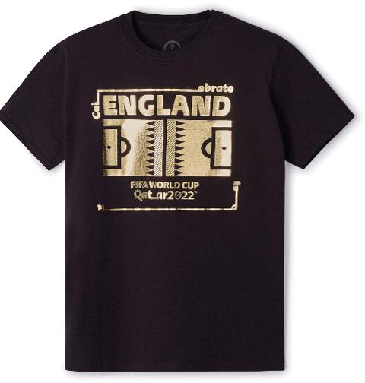
FIFAMT018303 | 197030651712 | FIFA Qatar World Cup | ENGLAND | M | 13 | FWC 2022 | MENS T- SHIRTS | 18.00 € | 234.00 €
FIFAMT018304 | 197030651705 | FIFA Qatar World Cup | ENGLAND | L | 11 | FWC 2022 | MENS T- SHIRTS | 18.00 € | 198.00 € |  | 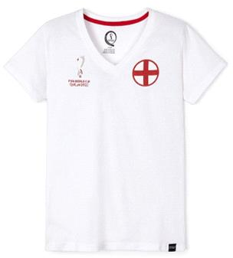
FIFAMT018305 | 197030651699 | FIFA Qatar World Cup | ENGLAND | XL | 7 | FWC 2022 | MENS T- SHIRTS | 18.00 € | 126.00 €
FIFAMT018306 | 197030651682 | FIFA Qatar World Cup | ENGLAND | 2X | 6 | FWC 2022 | MENS T- SHIRTS | 18.00 € | 108.00 €
FIFAYS000301 | 196760216567 | FWC2022 ENGLAND CONT | ENGLAND | 5-6 years | 9 | FWC 2022 | YOUTH SWEATSHIR | 30.00 € | 270.00 € | 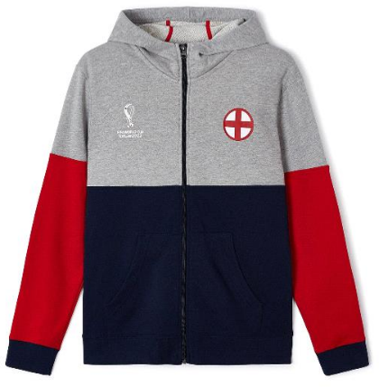
FIFAYS000302 | 196760216550 | FWC2022 ENGLAND CONT | ENGLAND | 7-8 years | 20 | FWC 2022 | YOUTH SWEATSHIR | 30.00 € | 600.00 €
FIFAYS000303 | 196345763226 | FWC2022 ENGLAND CONT | ENGLAND | 9-10 years | 25 | FWC 2022 | YOUTH SWEATSHIR | 30.00 € | 750.00 €
FIFAYS004401 | 197030634241 | FIFA Qatar World Cup | ENGLAND | 5-6 years | 14 | FWC 2022 | YOUTH SWEATSHIR | 33.00 € | 462.00 €
FIFAYS004402 | 197030634234 | FIFA Qatar World Cup | ENGLAND | 7-8 years | 21 | FWC 2022 | YOUTH SWEATSHIR | 33.00 € | 693.00 €
FIFAYS004403 | 197030636528 | FIFA Qatar World Cup | ENGLAND | 9-10 years | 19 | FWC 2022 | YOUTH SWEATSHIR | 33.00 € | 627.00 €
FIFAYS004404 | 197030636511 | FIFA Qatar World Cup | ENGLAND | 10-12 years | 12 | FWC 2022 | YOUTH SWEATSHIR | 33.00 € | 396.00 €
FIFAYT000601 | 196760723867 | FWC2022 ENGLAND TEE | ENGLAND | 5-6 years | 62 | FWC 2022 | YOUTH T- SHIRTS | 16.00 € | 992.00 € | 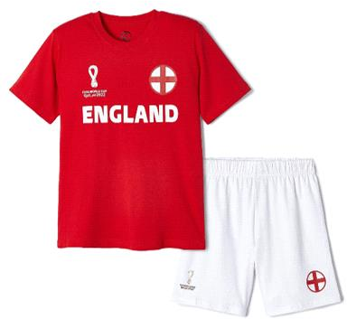
FIFAYT000602 | 196760723850 | FWC2022 ENGLAND TEE | ENGLAND | 7-8 years | 87 | FWC 2022 | YOUTH T- SHIRTS | 16.00 € | 1392.00 €
FIFAYT000603 | 196760693191 | FWC2022 ENGLAND TEE | ENGLAND | 9-10 years | 79 | FWC 2022 | YOUTH T- SHIRTS | 16.00 € | 1264.00 €
FIFAYT000604 | 196760693184 | FWC2022 ENGLAND TEE | ENGLAND | 10-12 years | 49 | FWC 2022 | YOUTH T- SHIRTS | 16.00 € | 784.00 €
FIFAYT000605 | 196760693177 | FWC2022 ENGLAND TEE | ENGLAND | 12-13 years | 34 | FWC 2022 | YOUTH T- SHIRTS | 16.00 € | 544.00 €
FIFAYT006501 | 197030634845 | FIFA Qatar World Cup | ENGLAND | 5-6 years | 11 | FWC 2022 | YOUTH T- SHIRTS | 16.00 € | 176.00 € | 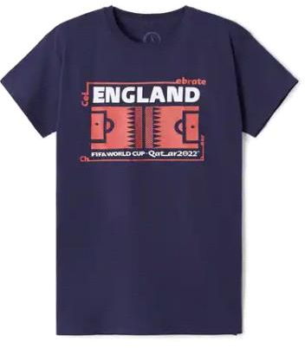
FIFAYT006502 | 197030634838 | FIFA Qatar World Cup | ENGLAND | 7-8 years | 15 | FWC 2022 | YOUTH T- SHIRTS | 16.00 € | 240.00 €
FIFAYT006503 | 197030637327 | FIFA Qatar World Cup | ENGLAND | 9-10 years | 16 | FWC 2022 | YOUTH T- SHIRTS | 16.00 € | 256.00 €
FIFAYT006504 | 197030637310 | FIFA Qatar World Cup | ENGLAND | 10-12 years | 13 | FWC 2022 | YOUTH T- SHIRTS | 16.00 € | 208.00 €
FIFAYT006505 | 197030637303 | FIFA Qatar World Cup | ENGLAND | 12-13 years | 12 | FWC 2022 | YOUTH T- SHIRTS | 16.00 € | 192.00 €
 |  |  |  |  | 5541 |  |  |  | 71034.20 €

